Instructions
 |  |  |  | OUTSTANDING EXPENSES
 |  |  | ~EXAMPLES~
 | INSTRUCTIONS

1 |  | You can ONLY type in the non-shaded cells within the chart.
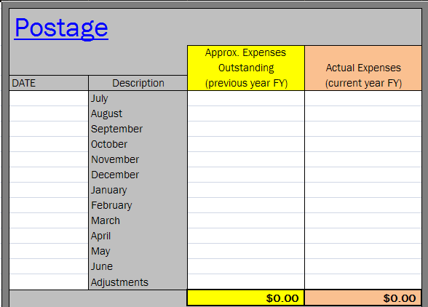

2 |  | Each worksheet has been Protected (locked) but not password protected so you can Unprotect (unlock) and make
 |  | changes as necessary (add rows or columns). If you Unprotect a worksheet ,please, double check all formulas and make
 |  | sure to Protect it when you are finished making changes.

Bal Sheet-EOY Cryovr
DATE TO ADMINISTRATOR |  | XX/XX/XX | You can ONLY type in the non-shaded cells within the chart.
BUDGET BALANCE SHEET

 | Fiscal Year | XX |  |  | As of date | XX/XX/XX

 | AVAILABLE BALANCE |  |  |  |  | 17,390.97

 | Available balance for LIBRARY |  |  |  |  | 5,437.64
 | Available balance for MEDICAL |  |  |  |  | 167.55
 | Available balance for CUSTODIAL |  |  |  |  | 0.00
 | Available balance for COCURRICULAR (Secondary ONLY) |  |  |  |  | 0.00
 | Available balance for ATHLETICS (Secondary ONLY) |  |  |  |  | 0.00

 | OUTSTANDING EXPENSES |  |  |  |  | 7,455.58

 |  |  |  | Approximate blance to spend school wide |  | 4,330.20

NOTES to administrator for BUDGET BALANCE SHEET
SAMPLE NOTES
Please note the librarian still has $5400. left to spend .
The custodial allocation has been depleted. Additional orders will pull from the overall budget.
I have attached the memo pertaining to the end-of-year ordering cut-off dates.

END-OF-YEAR CARRYOVER

 | Fiscal Year | XX |  |  | As of date | 2010-03-15

 | AVAILABLE BALANCE (fund 1000000000) |  |  |  |  | 17,390.97 | Maximum
 | AVAILABLE BALANCE (fund 2500000000) |  |  |  |  | 80.57 | Carryover Amounts

 | OUTSTANDING EXPENSES |  |  |  |  | 7,455.58 | ES - $5,000.
 | OUTSTANDING EXPENSES (fund 2500000000) |  |  |  |  | 45.00 | MS - $6,500.
 |  |  |  |  | REMAINING BALANCE | 9,970.96 | HS - $10,000.

NOTES to administrator for END-OF-YEAR CARRYOVER
SAMPLE NOTES
We need to order appx. $5,000. to get below the elementary carryover of $5,000.
When the librarian places her orders we should be fine, but, remember the ordering cut-off dates. See memo attached.

The Special Ed department has done a great job this year getting all their orders in, in a timely manner. Kudos to them!

MISCELLANEOUS
Mr. John, would it be possible next year to have all orders in no later than March 1. This should give ample time for the orders to come in and get posted to our budget.
I don't want to worry about late orders coming in and not getting posted to the budget in time. Remember, if an order does not get posted before June 30 the money will
be placed back in to the present years budget. If we exceed the maximum carryover amount because of this, we will lose any amount over the maximum carryover.
SAMPLE NOTES

